Sheet1
Item | Status | Scope | Approved | Type | Priority | Estimates (hours) | Description
[General] Remove unused namespace, code, validation | Done | Entire solution | Approved | Coding Standard | High | 4 | remove unused namespace, varibale and unreachable validation code | 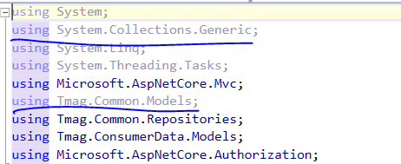
[General] Review code comment. Remove if already fixed |  | Entire solution | Approved | Coding Standard | Low | 1 | Check some commend in code then review business logic to see if code is already corvered | 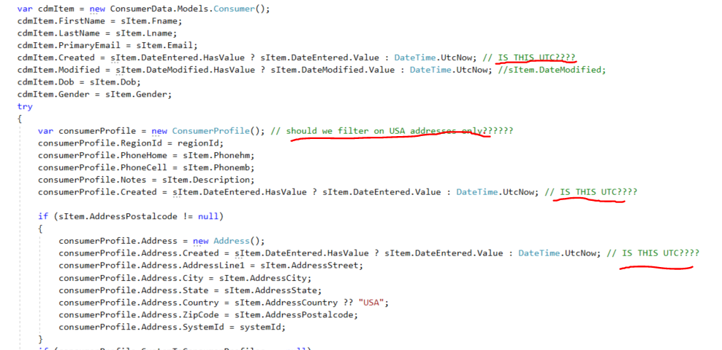
[General] Remove commened code | Done | Entire solution | Approved | Coding standard | Low | 0.5 | Remove unused code, we have git for tracking the history | 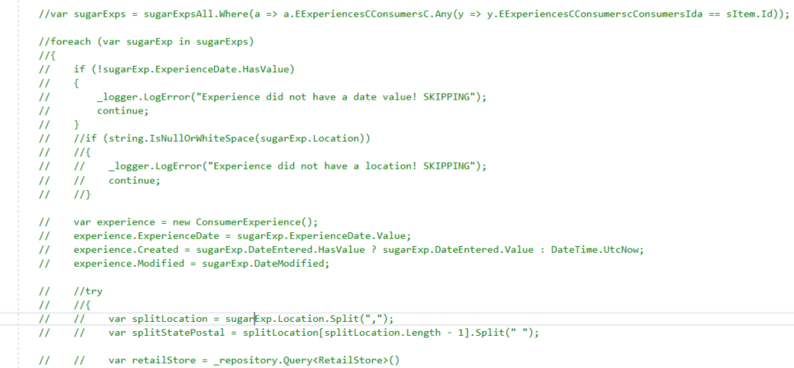
[General] Categorized log message | Done | Entire solution | Approved | Coding standard | High | 4 | All log message now used .LogError api; this is not a correct usage. We should categorized kind of log message: For exception (LogError), log information for debug (Debug), log information for inform message (Trace)... This will help us easier to maintain when system running. Currently when we see into log file, we will see all messages are error. Hard to know which is real error, which is just a inform message. The messages text in separated class, helper | 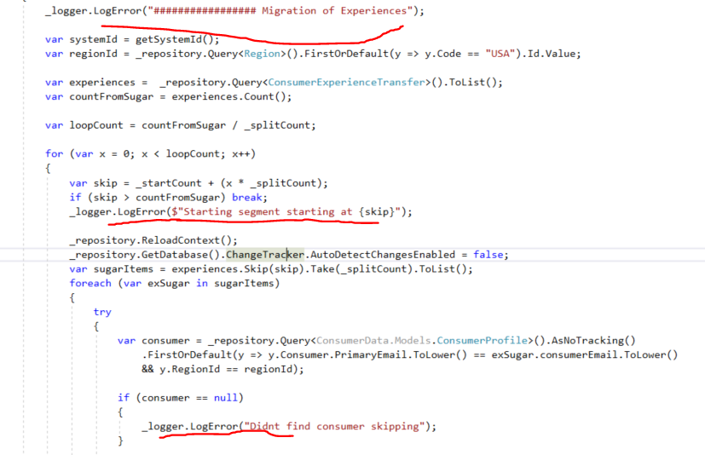
[General] Try catch with do nothing | Done | Entire solution | Approved | Coding logic | High | 1 | A lot of places in code used try-catch to capture runtime error; but when error happened then we do nothing, dont log error message, fallback code logic ... It may cause missing data at runtime and hard to reproduce, maintain system, there are a lot of try catch in one code block, move to the smaller functiion | 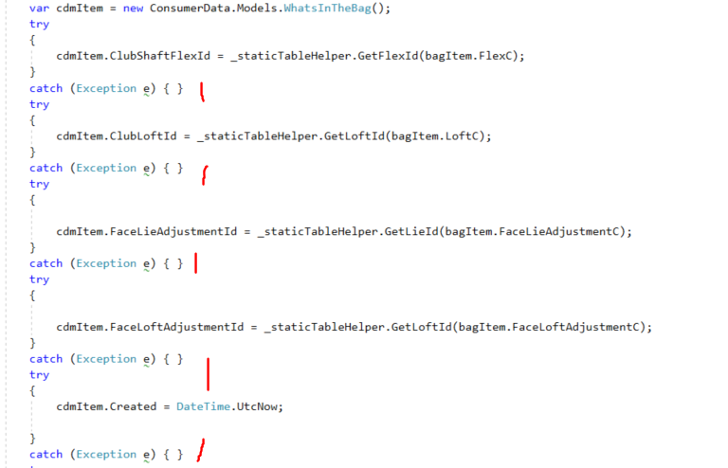
[General] Avoid hardcode text | Done | Entire solution | Approved | Coding standard | High | 2 | Alot of place in code used hardcode string for url, username, pass ... Should move to single place: Static class with const variable - Or move to config file | 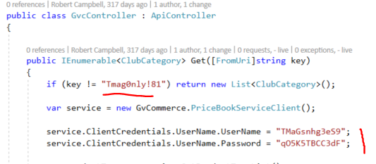
Review, remove try-catch in Repository |  | Tmag.Common.Repositories.Repository | Approved | Coding standard | High | 4 | Try-Catch with no log exception This is deeper layer, this should be verify careful to capture error here - We may lead to the case missing data in database but code still success. Better we should throw exception to upper layer (business layer) - to maintain error | 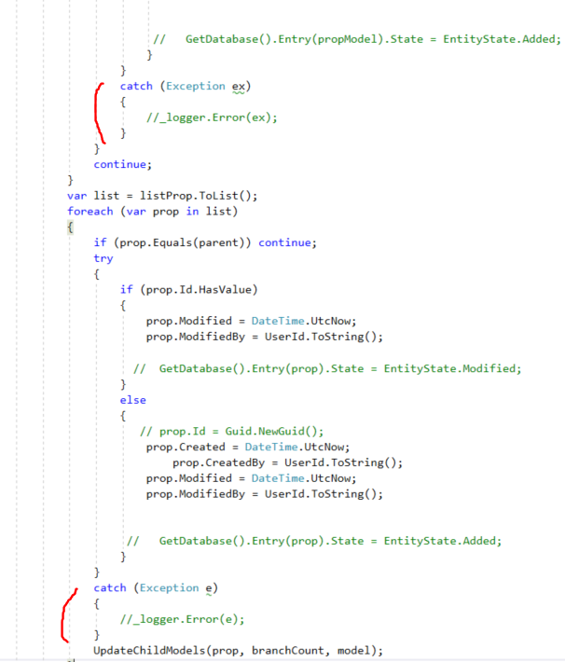
Bearer token key is hardcode | Done | Tmag.ConsumerDataModelApi | Approved | Coding convention | High | 1 | Shoudld store token key in app setting file or in DB to easy to config | 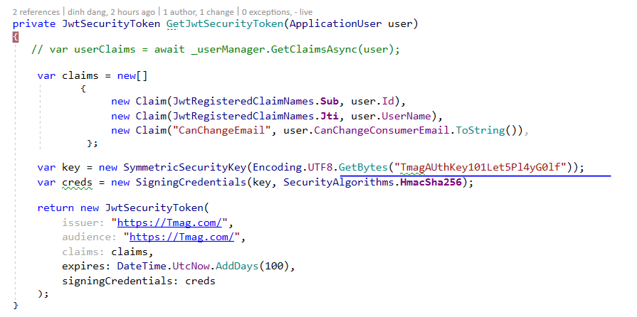
Add Logging function | inprogress | Entire solution | Approved | Infrastructure | High | 8 | Add logging function for mornitoring the system like : log4net. Logging all action into text files

